Sheet1
Unit 2 Project

 | To Do's | In Progress | Completed | Issues |  | Day |  | Deliverable |  |  | Users Table
 |  |  |  |  |  |  |  |  |  |  | Serial Key Int | Full Name | Username | Email | Password | Avatar_url
 |  | Wireframe |  |  | | | Day 1 Wednesday | | | Wireframes / Priority Matrix | | |  | 1 | John Doe | johndope | john.doe@gmail.com | asdfasdf | john.jpg
 | Priority Matrix |  |  |  | | | Day 2 Thursday | | | Project Approval / Pseudo Code | | |  | 2 | Jane Doe | janemane | jane.doe@gmail.com | fdsafasfda | jane.jpg
 | Approval |  |  |  | | | Day 3 Friday | | | Basic Clickable Model | | |  | 3 | Alex Smith | asmith | alex.smith@email.com | lfsjvklkvxcx | alex.jpg
 |  |  |  |  | | | Day 4 Saturday | | | Working Prototype | | |  | 4
 |  |  |  |  | | | Day 5 Sunday | | | Final Working Project / MVP | | |  | 5
 |  |  |  |  | | | Day 6 Monday | | | Bugs / Styling / Post MVP | |
 |  |  |  |  | | | Day 7 Tuesday | | | Presentations | | |  | Entry Table
 |  |  |  |  |  |  |  |  |  |  | Serial Key Int | Title | Content | Image_url | user_id
 |  |  |  |  |  |  |  |  |  |  | 1 | Trip to France | "Had an amazing time" | france.jpg | 1
 |  |  |  |  |  |  |  |  |  |  | 2 | Trip to Florence | "It was better than I expected" | florence.jpg | 1
 |  |  |  |  |  |  |  |  |  |  | 3 | Trip to Italy | "Rome is beautiful" | italy.jpg | 1
 |  |  |  |  |  |  |  |  |  |  | 4 | Belize At Night | "I loved the food" | belize.jpg | 2
 |  |  |  |  |  |  |  |  |  |  | 5 | A Week In Iceland | "The glaciers were amazing" | iceland.jpg | 2

 |  |  |  |  |  |  |  |  |  |  | Table: | users | Schema |  | entries | Schema
 |  |  |  |  |  |  |  |  |  |  |  | id | Primary Serial Key |  | id | Primary Serial Key
 |  |  |  |  |  |  |  |  |  |  |  | name | VARCHAR(50) |  | title | VARCHAR(225)
 |  |  |  |  |  |  |  |  |  |  |  | username | VARCHAR(50) |  | content | TEXT
 |  |  |  |  |  |  |  |  |  |  |  | email | VARCHAR(50) |  | image_url | VARCHAR(225)
 |  |  |  |  |  |  |  |  |  |  |  | password | VARCHAR(50) |  | user_id | INT REFERENCES users.id

 |  |  |  |  |  | Relationships tables
Google API Autocompletion |  |  |  |  |  | http://guides.rubyonrails.org/association_basics.html
https://developers.google.com/places/web-service/autocomplete
Place ID finder |  |  |  |  |  |  |  |  |  |  |  | avatar_url | VARCHAR(225)
https://developers.google.com/places/web-service/place-id
Google API Query samples |  |  |  |  |  |  |  |  |  | http://guides.rubyonrails.org/association_basics.html
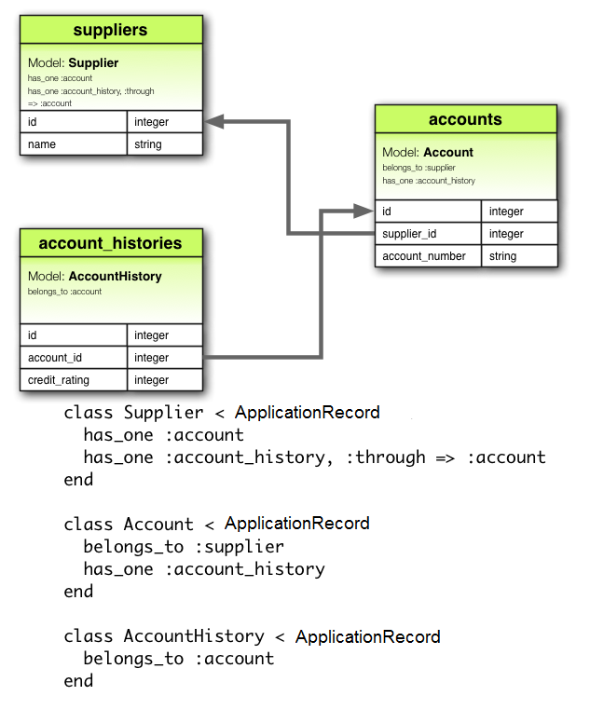
https://maps.googleapis.com/maps/api/place/details/json?placeid=ChIJrbS_8-Fv5kcRzSjPvnUT03s
https://maps.googleapis.com/maps/api/geocode/json?components=postal_code%3A00100%7Ccountry%3AIT&key=
https://maps.googleapis.com/maps/api/place/textsearch/json?query=restaurant&location=41.9228369%2C12.5014301&radius=5000&key=

https://maps.googleapis.com/maps/api/place/details/json?placeid=ChIJN1t_tDeuEmsRUsoyG83frY4&key=

Confirmed Query Strings (add key to end)
Query Boilerplate (output?params) | placeid&key= | Place |  |  |  | Additional Links
https://maps.googleapis.com/maps/api/place/details/json?placeid= | ChIJrbS_8-Fv5kcRzSjPvnUT03s&key= | Eiffel Tower |  |  |  | https://uxdesign.cc/stop-calling-these-dark-design-patterns-or-dark-ux-these-are-simply-asshole-designs-bb02df378ba?ref=webdesignernews.com
 | ChIJy7cGfBlawokR5l2e93hsoEA&key= | One World Trade Center |  |  |  | https://flexboxfroggy.com/
 | ChIJGeGDRsQEdkgRZ6FVAXOU4ds&key= | Big Ben and House of Parliament |  |  |  | https://css-tricks.com/snippets/css/a-guide-to-flexbox/
 | ChIJmzrzi9Y0K4gRgXUc3sTY7RU&key= | CN Tower
 | ChIJuQ8GvIFOwokRvJcdUIj0Pss&key= | Joe and Pat's Pizzeria

